TEDB Edition 40
Because crude oil is the main cost component for gasoline, the prices of a barrel of crude oil and a gallon of gasoline show similar trends.

Figure 11.4. Prices for a Barrel of Crude Oil and a Gallon of Gasoline, 1978–2020
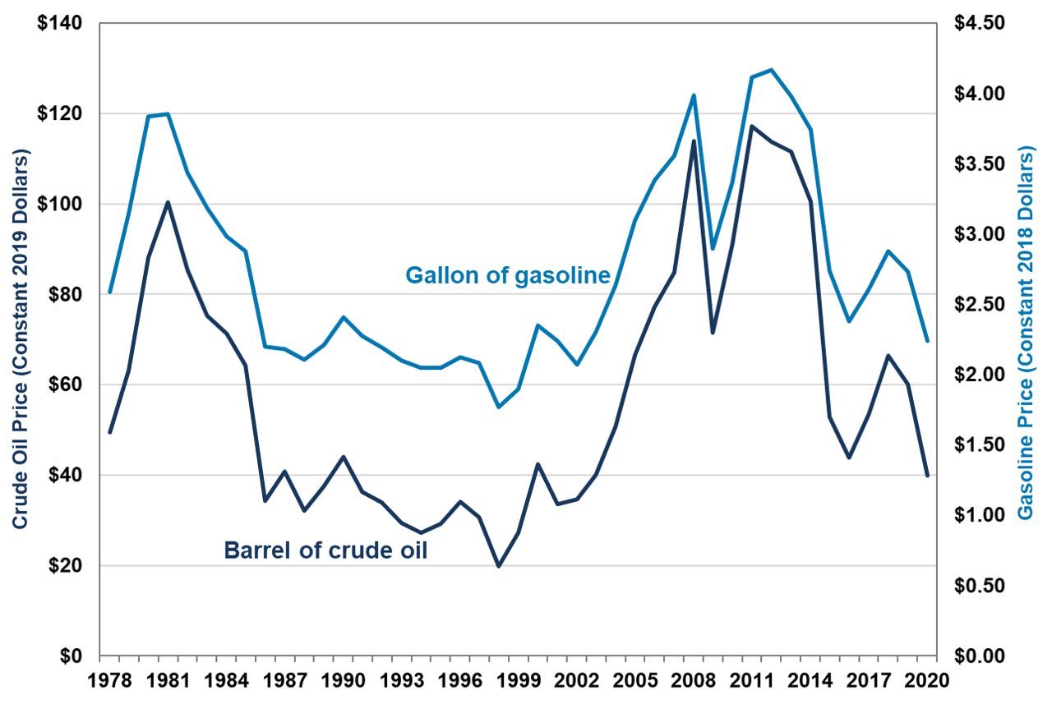

 |  | Constant 2020 dollars
 | Year | Barrel of crude oil | Gallon of gasoline
 | 1978 | 49.46 | 2.59
 | 1979 | 63.17 | 3.14
 | 1980 | 88.17 | 3.84
 | 1981 | 100.34 | 3.85
 | 1982 | 85.47 | 3.44
 | 1983 | 75.33 | 3.18
 | 1984 | 71.32 | 2.98
 | 1985 | 64.34 | 2.88
 | 1986 | 34.36 | 2.20
 | 1987 | 40.78 | 2.18
 | 1988 | 32.09 | 2.11
 | 1989 | 37.51 | 2.21
 | 1990 | 44.00 | 2.41
 | 1991 | 36.22 | 2.27
 | 1992 | 34.00 | 2.20
 | 1993 | 29.39 | 2.10
 | 1994 | 27.23 | 2.05
 | 1995 | 29.26 | 2.05
 | 1996 | 34.16 | 2.12
 | 1997 | 30.70 | 2.08
 | 1998 | 19.88 | 1.77
 | 1999 | 27.20 | 1.90
 | 2000 | 42.47 | 2.35
 | 2001 | 33.54 | 2.24
 | 2002 | 34.67 | 2.07
 | 2003 | 40.13 | 2.30
 | 2004 | 50.67 | 2.63
 | 2005 | 66.58 | 3.10
 | 2006 | 77.34 | 3.38
 | 2007 | 84.80 | 3.56
 | 2008 | 113.88 | 3.99
 | 2009 | 71.53 | 2.90
 | 2010 | 91.02 | 3.37
 | 2011 | 117.21 | 4.12
 | 2012 | 113.77 | 4.17
 | 2013 | 111.64 | 3.98
 | 2014 | 100.60 | 3.74
 | 2015 | 52.84 | 2.74
 | 2016 | 43.85 | 2.38
 | 2017 | 53.51 | 2.61
 | 2018 | 66.36 | 2.88
 | 2019 | 60.11 | 2.73
 | 2020 | 39.80 | 2.24

Sources:
Crude oil – U.S. Department of Energy, Energy Information Administration, Monthly Energy Review, March 2021, Washington, DC, Table 9.1.
Gasoline – U.S. Department of Energy, Energy Information Administration, Monthly Energy Review, March 2021, Washington, DC, Table 9.4. (Additional resources: www.eia.doe.gov)

